Sheet1
I have an application named hello
and I have 2 modules, "aggressgates" and "logic"

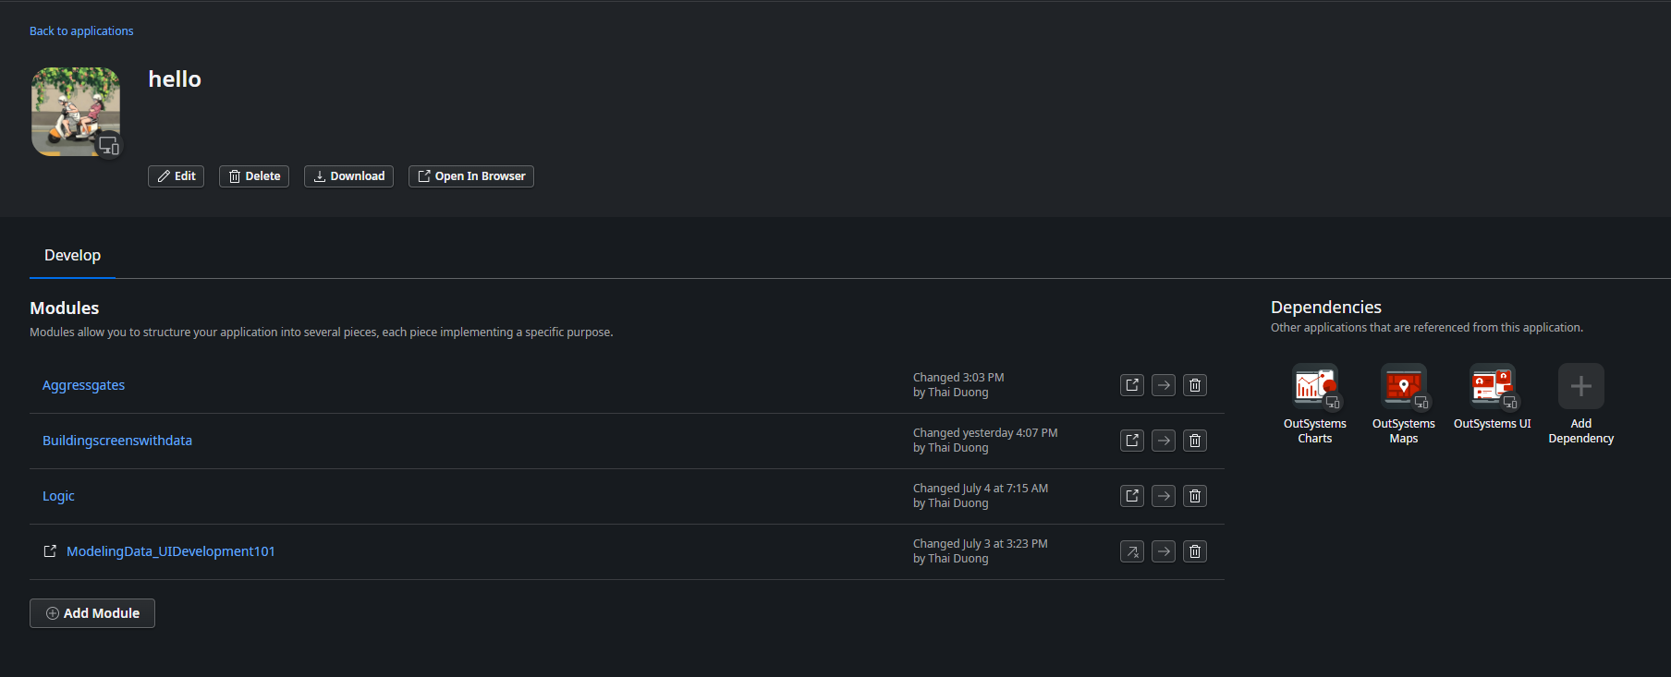

In the "aggressgates" module, I have an entity named "customer," and I want to access this entity from the "logic" module.
in order to do that, I need to make the "customer" entity public

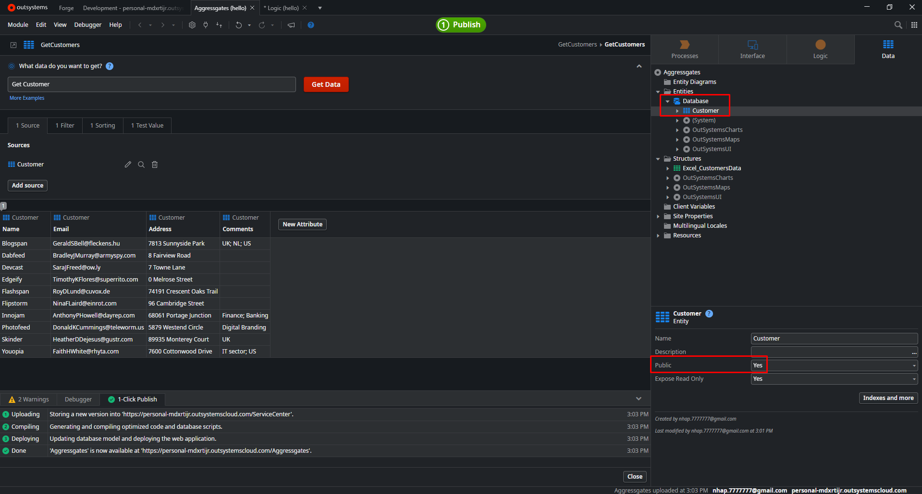

next, in the logic module, select the data tab
right click the database element and select "manage dependencies"
or You can simply use the keyboard shortcut ctrl + q
once the manage dependencies window is open, search for "aggressgates" module and select it
and on the right side see u can see all the public elements of this modules
check the checkbox next to the customer entity
finally click on the apply button to confirm your selection

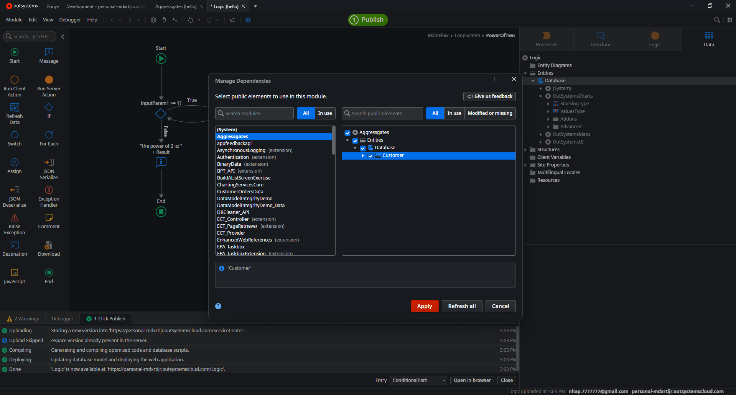

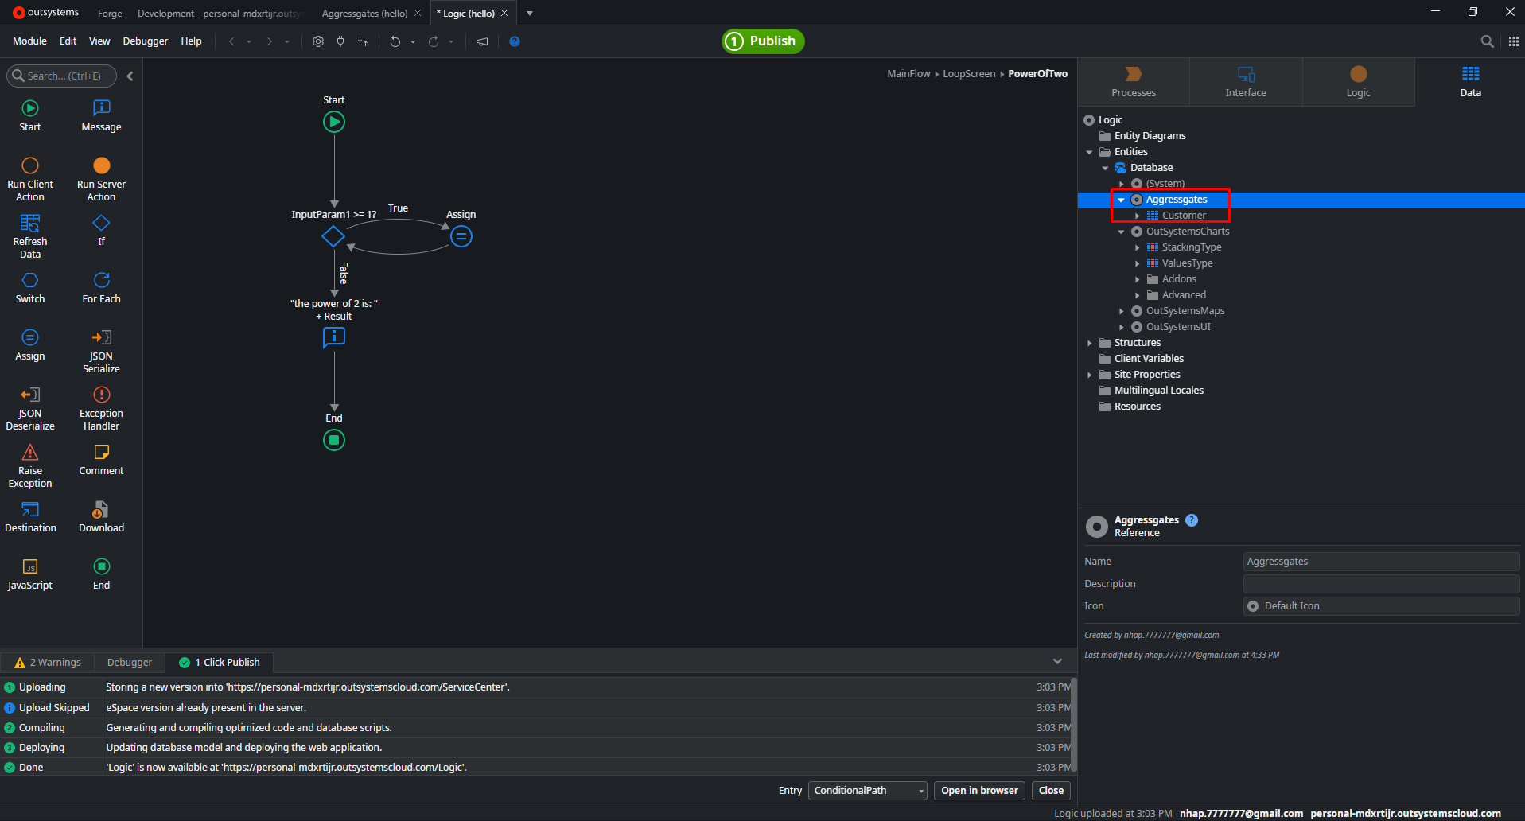

https://success.outsystems.com/documentation/11/building_apps/reusing_and_refactoring/expose_and_reuse_functionality_between_modules/

debug
 | https://success.outsystems.com/documentation/11/debugging_apps/debugging_producer_modules/

